IPI DRB Minutes
 |  | IBIDEN PHILIPPINES, INC. |  |  |  |  |  |  |  |  |  |  |  |  |  |  |  |  |  | DRB/MRB No. : |  | D-CORE-20-02-001
 |  | DRB/MRB REPORT MINUTES |  |  |  |  |  |  |  |  |  |  |  |  |  |  |  |  |  | RFC No. : |  | 06-0220-0023

Theme: |  |  | Overdipping
Meeting Date : |  |  | 26-Feb-20 |  |  |  |  |  |  |  |  |  |  |  | Originated by : |  |  |  |  | Teodoro Barba / CORE 1
Meeting Time: |  |  | 1315H |  |  |  |  |  |  |  |  |  |  |  |  |  |  |  |  | Name /Block
Meeting Place: |  |  | CORE Meeting Area |  |  |  |  |  |  |  |  |  |  |  | Approved by : |  |  |  |  | Jerry Gimeno
Chairman: |  |  | Virginia Mendoza |  |  |  |  |  |  |  |  |  |  |  |  |  |  |  | Originator ASM/SM/DGM/GM
Block: |  |  | CORE
Attendees : |  |  | Manufacturing |  |  | Engineering/NPD |  |  | Facilities/EE |  |  |  |  | QA/QC |  |  |  |  | PPIC/CSE |  |  |  | Other
 |  |  | Virgie |  |  | Raysa |  |  | Nanie |  |  |  |  | Keirolf |  |  |  |  | Unad
 |  |  | Teody |  |  | Neil |  |  | Melai |  |  |  |  | Arnel
 |  |  |  |  |  | Wilson |  |  | Adam |  |  |  |  | Maam Yzah
 |  |  |  |  |  | Ogawa San |  |  | Sir Clark

<1>PROBLEM STATEMENT : (Put another sheet if multiple lots was discovered affected)
DEFECT ISSUE: |  |  | Overdipping |  | # | PRODUCT/MODEL AFFECTED |  |  | PRODUCT FAMILY |  |  | LEDGER NO. |  | PRODUCT SIZE |  | LOT NUMBER |  |  | AFFECTEDLAYER |  | AFFECTED PANEL |  | AFFECTED UNIT OR IF PERCENTAGE
DATE/TIME OCCURRED: |  |  | Feb-26-20 |  | 1 | IPI RENOIR FP6 |  |  | AMD |  |  | 022-4286 |  | 25X35 |  | P7961910 |  |  | 1st |  | 1 - 32 |  | N/A
PROCESS DETECTED: |  |  | VCP |  | 2 | IPI Kaby Lake U42 Refresh |  |  | BGA14 |  |  | 020-7357 |  | 42X24 |  | P8002480 |  |  | 1st |  | 1 - 32 |  | N/A
PROCESS AFFECTED: |  |  | VCP |  | 3 | IPI Kaby Lake U42 Refresh |  |  | AMD |  |  | 022-4286 |  | 25X35 |  | P7961830 |  |  | 1st |  | 1 - 9 |  | N/A
# OF AFFECTED LOTS : |  |  | 3 |  | 4
WHO DETECTED: |  |  | Jaime |  | 5
 |  |  |  |  | 6
WHAT IS THE PROBLEM DIFFERENCE FROM NORMAL TO ABNORMAL SITUATION? CHANGING POINT? DISCUSS THE FLOW. (Indicate 5W and 1H)

 |  | At 0455H During operational loading, VCP5 suddenly encountered Pre process Lower Trf.3 Fwd time over alarm (Mainte Mode) resulted to machine stoppage and 3 lots over dipped of 1 hr. and 14 minutes.
THE AGENDA ITEM IS RECURRENCE? |  |  |  | RECURRENCE |  |  | NEW |  |  |  | Recurrence Definition |  |  |  | 1. Rootcause is clear happened in same MC and parts 2. Rootcause is not clear but same issue 3. The Action was not proliferated to other process and machine but it was discussed during the meeting
THE AGENDA ITEM IS ESCAPEE? |  |  |  | YES |  |  | NO
PROBLEM CATEGORY |  |  | MAN |  | MACHINE |  |  | METHOD |  |  | MATERIAL |  |  | MEASUREMENT |  |  |  | ENVIRONMENT |  |  |  | OTHERS
DRB CLOSING RANK |  |  | RANK 1 |  | RANK 2 |  |  | RANK 3 |  |  | RANK 4 |  |  | RANK 5 |  |  |  | OTHERS

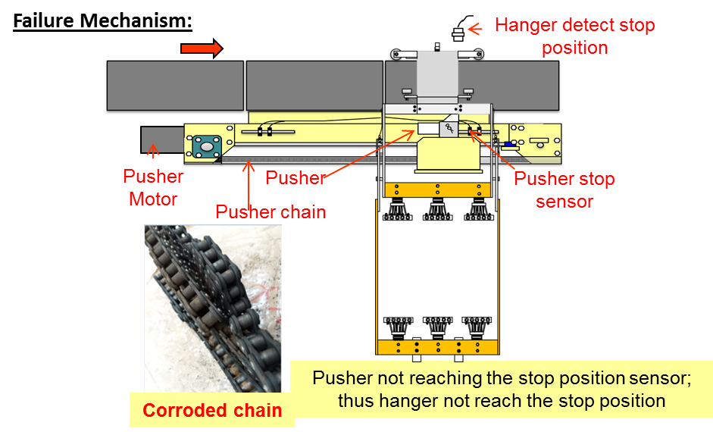
<2> INVESTIGATION/IDENTIFICATION OF AFFECTED AREA, SITUATION (Define the phenomenon, mode and tendency occurrence,Etc.)
Scenario: 0455H - Encountered Machine Stoppage due to Pre process lower Trf. FWD time over alarm Found Hanger # 111 did not reached the Shower rinse 1-2. 0459h - We cannot operate the pusher on manual mode so I decided to push the hanger manually on shower rinse 1-2 position. 0503h:I tried to manual the pusher but still not working so we decided to switched to maintenance mode with facilities approval (Sir Kenneth) to home position the pusher. 0505h: I transfer the data of affected hanger due to data is still on discharge position. After transferring of data I press the auto run. 0506h: Machine run but suddenly encountered Turn INV. Alarm. Upon checking, One stopper of Shower rinse turn did not go down and stuck due to hit by turn rail during turn. 0510h-0530h: We cannot operate the stopper and the rail even we remove the air supply or on maintenance mode so facilities do it with force in order to release the stuck stopper. After the recovery of stopper, we operate the stopper and turn rail. 0530h-0615h: Upon checking hanger data was already not in home position so conduct hanger data home positioning 0615h: auto run the machine (intermittent stoppages due to Hanger count abnormal alarm)

<3> CONTAINMENT ACTION (Note: Do not disable the interlock system when doing the action) |  |  |  |  |  |  |  |  |  |  |  |  |  |  |  | Responsible |  |  | Completion Date |  |  | Status
 |  |  |  |  |  |  |  |  |  |  |  |  |  |  |  | Name / Block
Manually push the pusher then conduct maintenance mode |  |  |  |  |  |  |  |  |  |  |  |  |  |  |  | Fac Kenneth |  |  | 26-Feb-20 |  |  | Done

<4> DISPOSITION OF AFFECTED LOT AND RISK ASSESSMENT

Assessment Item (# of sample/Method) |  |  |  | Responsible Name / Block |  |  | Completion Date |  |  | Assessment Result (No Good/TTL QTY) |  |  |  |  |  | Judgment (OK/NG) |  |  | Final Disposition
100% panel weight measurement |  |  |  | Mfg Ramil |  |  | 26-Feb-20 |  |  | 3/3 lots with OOS High Cu Tk |  |  |  |  |  | NG
Checking of TH recess and etching residue at AOI |  |  |  | MFG Mark |  |  | 2-Mar-20 |  |  | No result yet |  |  |  |  |  |  |  |  |  | Proceed |  | Qty : ______________________________
 |  |  |  |  |  |  |  |  |  |  |  |  |  |  |  |  |  |  |  | Piece Out |  | Qty : _______ Pnl #: ________________
 |  |  |  |  |  |  |  |  |  |  |  |  |  |  |  |  |  |  |  | Sheet Out |  | Qty : ______________________________ | Panels 1 – 9 of P7961830
 |  |  |  |  |  |  |  |  |  |  |  |  |  |  |  |  |  |  |  | Lot Out |  | Qty : ______________________________ | 2 lots <P8002480, P7961910>
 |  |  |  |  |  |  |  |  |  |  |  |  |  |  |  |  |  |  |  | SDR
Risk Assessment Category |  |  |  |  |  |  |  |  |  |  | Remarks
 |  | Low |  | Medium |  |  |  | High |  |  | ________________________

<5>ACTION REQUIRED (Note: Do not disable the interlock system when doing the action)

Action Request |  |  |  |  |  |  |  |  |  | Responsible Name / Block |  |  |  |  |  | Completion Date |  |  | Detail Results
Check what happen during the alarm. VCP5 Pre process Lower Trf.3 Fwd time over alarm. Why there is Maintenance Alarm? |  |  |  |  |  |  |  |  |  | Mfg Virgie |  |  |  |  |  | 2020-02-26 |  |  | Maintenance mode is included on alarm code. Although mc is on auto mode.
Simulate the alarm how it will occur |  |  |  |  |  |  |  |  |  | Fac Adam |  |  |  |  |  | 2020-02-26 |  |  | DONE. Alarm Occurred when FAC SUS changed Set time from 15 to 5 sec. not able to trigger hanger.
Assess if can provide cover for Pusher chain |  |  |  |  |  |  |  |  |  | Fac Maam Melai |  |  |  |  |  | 2020-02-28 |  |  | Cannot intall cover on Pusher due to have roller movement on part of opening.
Check the actual Flow rate of pre process. |  |  |  |  |  |  |  |  |  | Engg Neil |  |  |  |  |  | 2020-03-02
Check other location hanger pusher chain condition. |  |  |  |  |  |  |  |  |  | FAC Clark |  |  |  |  |  | 2020-03-02
Consider the chain life, replacement, tension, condition on PIS revision. |  |  |  |  |  |  |  |  |  | FAC Clark |  |  |  |  |  | ww10
Provide ECD for the closure/checking & correction of running inspection findings by MFG |  |  |  |  |  |  |  |  |  | FAC Clark |  |  |  |  |  | ww10
Check the Difference on VCP3&4 program related to shower auto ON compare to VCP5 that is always ON. |  |  |  |  |  |  |  |  |  | Engg Neil/Clark |  |  |  |  |  | ww10
Consider the enhancement of maintenance system since VCP5 PM is align on VCP3 PM. Need to assess additional Manpower or Change timing of PM (align with bath cleaning) |  |  |  |  |  |  |  |  |  | CORE Fac (maam Melai) |  |  |  |  |  | ww10

<6> ROOTCAUSE GENERATION/ANALYSIS <WHY ANALYSIS by 5M1E, DESIGN AND CAPABILITY>

 | 1. FACTOR GAP ANALYSIS
 | Problem/Issue |  | Gap Type |  | 1st why |  |  |  | 2nd why |  |  |  |  |  | 3rd why |  |  |  |  |  | 4th why |  |  | 5th why
 | Overdipping due to VCP5 Pre process Lower Trf.3 Fwd time over alarm |  | Technical |  | Hanger not able to reach the stop position of turn unit |  |  |  | Stuck up joint link of pusher chain |  |  |  |  |  | Chain has No lubrication |  |  |  |  |  | Not able to conduct lubrication. |  |  | No set criteria for lubrication condition of pusher chain.

 |  |  | Systemic
 |  |  | Detection
 | 2. FINAL ROOT CAUSE and MECHANISM OF AFFECTED ISSUE
 | No chain lubrication, no set criteria for lubrication condition of pusher chain.

<7> CORRECTIVE ACTION |  |  |  |  |  |  |  |  |  |  |  |  | Responsible |  |  |  | Completion Date |  |  | Status |  |  | Need CN & DR?
 |  |  |  |  |  |  |  |  |  |  |  |  | Name / Block |  |  |  |  |  |  |  |  |  | Yes | No
1. Replacement of corroded chain of affected pusher |  |  |  |  |  |  |  |  |  |  |  |  | FAC Clark |  |  |  | 2020-02-27 |  |  | Done

<8> PREVENTIVE ACTION |  |  |  |  |  |  |  |  |  |  |  |  | Responsible |  |  |  | Completion Date |  |  | Status |  |  | Need CN & DR?
 |  |  |  |  |  |  |  |  |  |  |  |  | Name / Block |  |  |  |  |  |  |  |  |  | Yes | No
1. Enhancement of PIS criteria considering chain life, replacement, tension, condition on PIS revision. |  |  |  |  |  |  |  |  |  |  |  |  | FAC Clark |  |  |  | ww10.5 |  |  |  | Pending

<9> PROLIFERATION |  |  |  |  |  |  |  |  |  |  |  |  |  |  |  | Responsible |  |  | Completion |  |  | Status
 |  |  |  |  |  |  |  |  |  |  |  |  |  |  |  | Name / Sign |  |  | Date
Product |  | Block | Process/line |  | Machine |  | Proliferate Item
 |  |  |  |  |  |  | 1
 |  |  |  |  |  |  | 2
<10>AMOUNT OF LOSS . The total sum____$2,913.81_____________
Product |  |  |  |  | Unit Qty |  |  |  |  |  |  |  | Amount of Loss |  |  |  |  |  |  | Remarks
IPI Kaby Lake U42 Refresh |  |  |  |  | 4800 |  |  |  |  |  |  |  | $1,681.96
IPI Renoir FP6 |  |  |  |  | 10260 |  |  |  |  |  |  |  | $1,231.85
<11> CLOSING APPROVAL (The approver person in charge should put details of the validation and closing confirmation result)
The Validation activity |  |  |  |  |  |  |  |  |  |  |  |  |  |  |  |  | Closing Approver |  |  |  |  | Closing Date
 |  |  |  |  |  |  |  |  |  |  |  |  |  |  |  |  | DGM Nobuyuki Ito

 |  |  |  |  |  |  |  |  |  |  |  |  |  |  |  |  |  |  |  |  |  |  |  |  | QA-SCAR-MRB-02-00-01 Rev. 11

